Sheet1
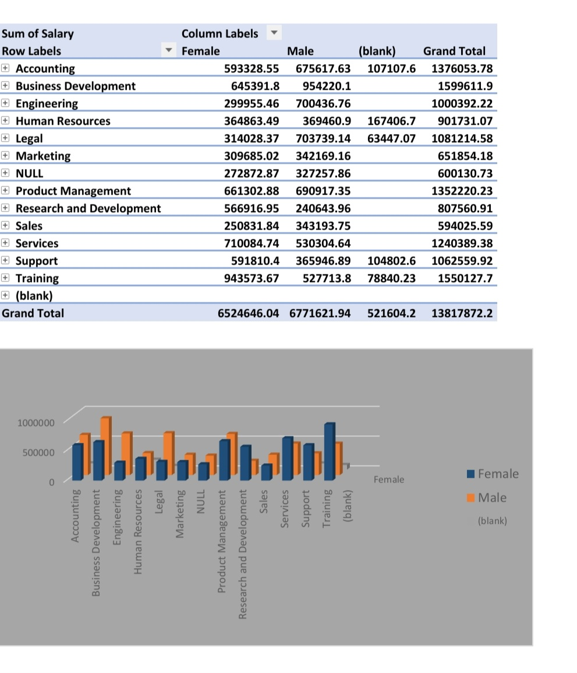
SUM OF SALARY | FEMALE | MALE | BLANK | GRAND TOTAL
ACCOUNTING | 593328.55 | 675617.63 | 107107.6 | 1376053.78
BUSINESS DEVELOPMENT | 645391.8 | 954220.1 |  | 1599611.9
ENGINEERING | 299955.46 | 700436.76 |  | 1000392.22
HUMAN RESOURCES | 364863.49 | 369460.9 | 167406.7 | 901731.07
LEGAL | 314028.37 | 703739.14 | 63447.07 | 1081214.58
MARKETING | 309685.02 | 342169.16 |  | 651854.18
NULL | 272872.87 | 327257.86 |  | 600130.73
PRODUCT MANAGEMENT | 661302.88 | 690917.35 |  | 1352220.23
RESEARCH AND DEVELOPMENT | 566916.95 | 240643.96 |  | 807560.91
SALES | 250831.84 | 343193.75 |  | 594025.59
SERVICES | 710084.74 | 530304.64 |  | 1240389.38
SUPPORT | 591810.4 | 365946.86 | 104802.6 | 1062559.92
TRAINING | 943573.67 | 527713.8 | 78840.23 | 1550127.7
GRAND TOTAL | 6524646.04 | 6771621.9 | 521604.2 | 13817872.2

